Printing Instructions
Printing Instructions

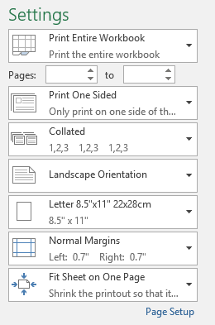
 | 1. Set the Print Area to "Print Entire Workbook"

 | 2. Set the Orientation to "Landscape"

 | 3. Set the Scaling Options to "Fit Sheet on One Page"

Your printer settings should look similar to the image above when you're ready to print the document.

